OTHER INFORMATION
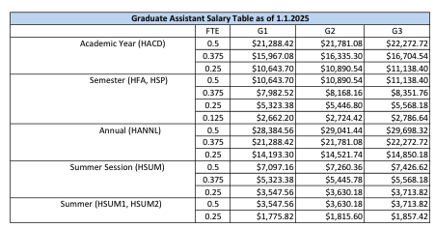
Graduate Assistant Salary |  | as of 08/01/2026
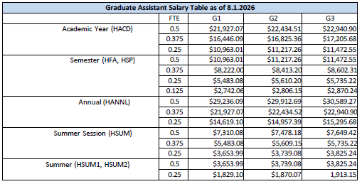
 | FTE | G1 | G2 | G3
Academic Year | 0.5 | $21,927 | $22,435 | $22,941
(HACD) | 0.375 | $16,446 | $16,825 | $17,206
 | 0.25 | $10,963 | $11,217 | $11,473
Semester | 0.5 | $10,963 | $11,217 | $11,473
(HFA, HSP) | 0.375 | $8,220 | $8,413 | $8,602
 | 0.25 | $5,483 | $5,610 | $5,735
 | 0.125 | $2,742 | $2,806 | $2,870
Annual | 0.5 | $29,236 | $29,913 | $30,589
(HANNL) | 0.375 | $21,927 | $22,435 | $22,941
 | 0.25 | $14,619 | $14,957 | $15,296
Summer Session | 0.5 | $7,310 | $7,478 | $7,649
(HSUM) | 0.375 | $5,483 | $5,609 | $5,735
 | 0.25 | $3,654 | $3,739 | $3,825
Summer Session | 0.5 | $3,654 | $3,739 | $3,825
(HSUM1 or HSUM2) | 0.25 | $1,829 | $1,870 | $1,913

Undergraduate Research Student

 | FTE | $12.65 | $15 | $18
Annual | 0.5 | $13,156 | $15,600 | $18,720
(HANNL) | 0.375 | $9,867 | $11,700 | $14,040
 | 0.25 | $6,578 | $7,800 | $9,360

